Sheet1
 |  |  | SGO |  |  |  |  |  |  | CA DMV |  |  |  |  |  | SGO |  |  |  |  |  |  |  | CA DMV

 | 7 | 8 | 9 | 10 | 11 | 12 | 7 | 8 | 9 | 10 | 11 | 12 |  | 7 | 8 | 9 | 10 | 11 | 12 |  | 7 | 8 | 9 | 10 | 11 | 12 |  |  | July (7) | Aug. (8) | Sep. (9) | Oct. (10) | Nov. (11) | Dec. (12)
Apple | 0 | 0 | 1 | 0 | 0 | 0 | 45 | 46 | 78 | 161 | 236 | 0 | Apple | 0 | 0 | 1 | 0 | 0 | 0 | 1 | 45 | 46 | 78 | 161 | 236 | 0 | 566 | Apple | 0 | 0 | 1 | 0 | 0 | 0
Easymile | 0 | 0 | 0 | 2 | 0 | 0 | 62 | 0 | 0 | 0 | 0 | 0 | Easymile | 0 | 0 | 0 | 0 | 0 | 0 | 0 | 62 | 0 | 0 | 0 | 0 | 0 | 62 | Easymile | 0 | 0 | 0 | 0 | 0 | 0
GM | 2 | 2 | 0 | 1 | 3 | 3 | 2 | 1 | 2 | 2 | 1 | 0 | GM | 2 | 2 | 0 | 1 | 3 | 3 | 11 | 2 | 1 | 2 | 2 | 1 | 0 | 8 | GM | 2 | 2 | 0 | 1 | 3 | 3
Nuro | 0 | 1 | 0 | 0 | 0 | 0 | 0 | 0 | 1 | 6 | 4 | 0 | Nuro | 0 | 0 | 0 | 0 | 0 | 0 | 0 | 0 | 0 | 1 | 6 | 4 | 0 | 11 | Nuro | 0 | 0 | 0 | 0 | 0 | 0
Pony.ai |  |  |  |  |  |  | 2 | 0 | 0 | 2 | 0 | 1 | Pony.ai | 0 | 0 | 0 | 1 | 0 | 0 | 1 | 2 | 0 | 0 | 2 | 0 | 1 | 5 | Pony.ai | 2 | 0 | 1 | 2 | 0 | 0
Toyota | 1 | 2 | 0 | 0 | 0 | 0 | 38 | 39 | 29 | 29 | 17 | 0 | Toyota | 0 | 0 | 0 | 0 | 0 | 0 | 0 | 38 | 39 | 29 | 29 | 17 | 0 | 152 | Toyota | 0 | 0 | 0 | 0 | 0 | 0
Waymo | 2 | 5 | 5 | 5 | 7 | 4 | 30 | 22 | 15 | 25 | 10 | 0 | Waymo | 2 | 5 | 5 | 5 | 7 | 4 | 28 | 30 | 22 | 15 | 25 | 10 | 0 | 102 | Waymo | 2 | 5 | 5 | 5 | 7 | 4
WeRide | 1 | 0 | 0 | 0 | 1 | 0 | 0 | 0 | 0 | 0 | 1 | 0 | WeRide | 1 | 0 | 0 | 0 | 1 | 0 | 2 | 0 | 0 | 0 | 0 | 1 | 0 | 1 | WeRide | 1 | 0 | 0 | 0 | 1 | 0
Zoox | 0 | 0 | 2 | 1 | 0 | 0 | 0 | 1 | 5 | 6 | 0 | 0 | Zoox | 0 | 0 | 2 | 1 | 0 | 0 | 3 | 0 | 1 | 5 | 6 | 0 | 0 | 12 | Zoox | 0 | 0 | 2 | 1 | 0 | 0
NVIDIA | 1 | 1 | 0 | 1 | 0 | 0 | 3 | 30 | 14 | 6 | 14 | 0 | NVIDIA | 1 | 1 | 0 | 1 | 0 | 0 | 3 | 3 | 30 | 14 | 6 | 14 | 0 | 67 | NVIDIA | 1 | 1 | 0 | 1 | 0 | 0
Ford | 0 | 0 | 0 | 1 | 0 | 0 |  |  |  |  |  |  |  |  |  |  |  |  |  |  |  |  |  |  |  |  | 98.6
Hyundai | 0 | 0 | 0 | 1 | 0 | 0

 |  |  |  |  |  |  |  |  |  |  |  |  |  |  |  |  |  |  |  |  |  |  |  |  |  |  |  |  |  |  |  |  |  | SGO | CA | ratio | Company | Ratio
 |  |  |  |  |  |  |  |  |  |  |  |  |  |  |  |  |  |  | 7 | 8 | 9 | 10 | 11 | 12 |  |  |  |  |  |  |  |  |  | 1 | 566 | 0.0017667844523 | Apple | 0.002
 |  |  |  |  |  |  |  |  |  |  |  |  |  |  |  |  |  | Apple | 0 | 0 | 0.012820512821 | 0 | 0 | 0 |  |  |  |  |  |  |  |  |  | 0 | 62 | 0 | Easymile | 0
 |  |  |  |  |  |  |  |  |  |  |  |  |  |  |  |  |  | Easymile | 0 | 0 | 0 | 0 | 0 | 0 |  |  |  |  |  |  |  |  |  | 11 | 8 | 1.375 | GM | 1.375
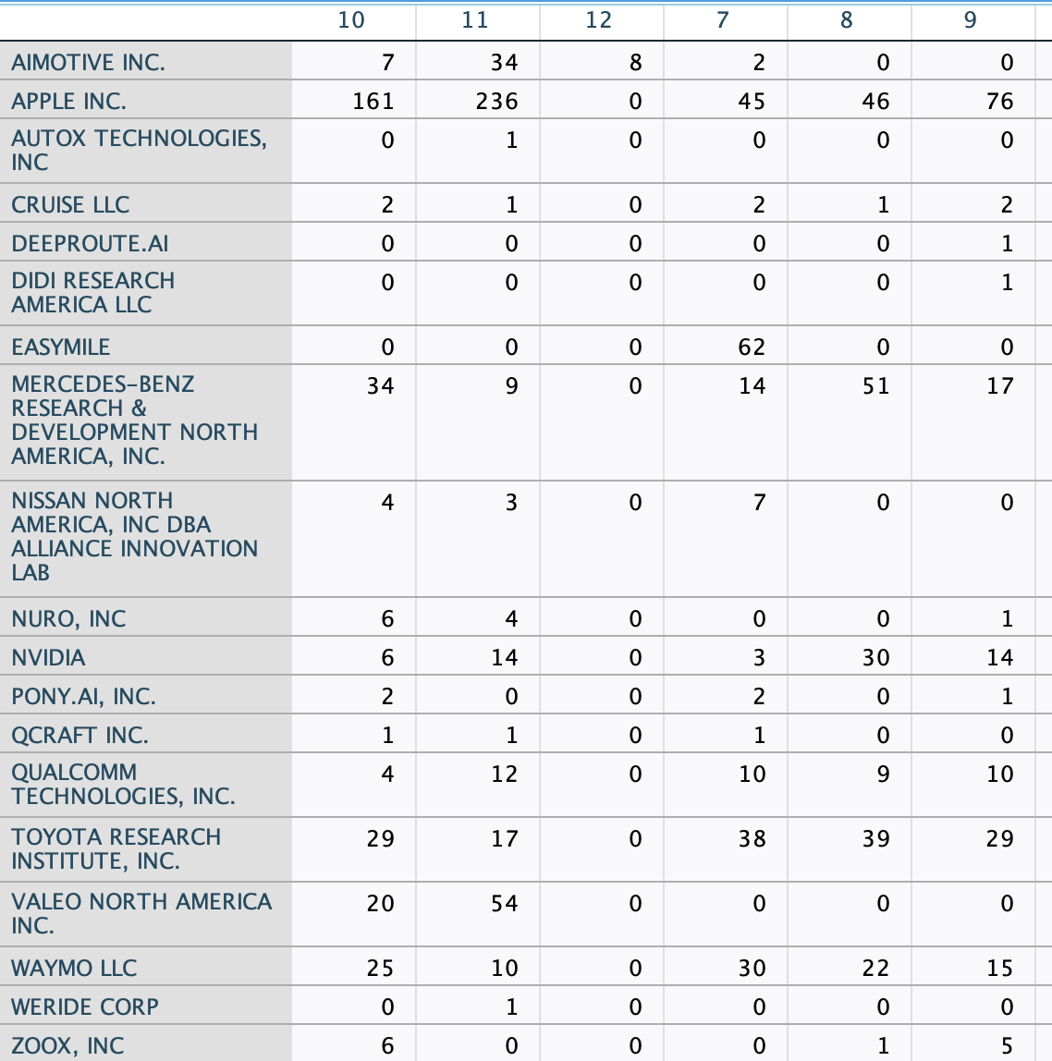
 |  |  |  |  |  |  |  |  |  |  |  |  |  |  |  |  |  | GM | 1 | 2 | 0 | 0.5 | 3 | 0 |  |  |  |  |  |  |  |  |  | 0 | 11 | 0 | Nuro | 0
 |  |  |  |  |  |  |  |  |  |  |  |  |  |  |  |  |  | Nuro | 0 | 0 | 0 | 0 | 0 | 0 |  |  |  |  |  |  |  |  |  | 1 | 5 | 0.2 | Pony | 0.2
 |  |  |  |  |  |  |  |  |  |  |  |  |  |  |  |  |  | Toyota | 0 | 0 | 0 | 0 | 0 | 0 |  |  |  |  |  |  |  |  |  | 0 | 152 | 0 | Toyota | 0
 |  |  |  |  |  |  |  |  |  |  |  |  |  |  |  |  |  | Waymo | 0.066666666667 | 0.22727272727 | 0.33333333333 | 0.2 | 0.7 | 0 |  |  |  |  |  |  |  |  |  | 28 | 102 | 0.27450980392 | Waymo | 0.275
 |  |  |  |  |  |  |  |  |  |  |  |  |  |  |  |  |  | WeRide | 0 | 0 | 0 | 0 | 1 | 0 |  |  |  |  |  |  |  |  |  | 2 | 1 | 2 | WeRide | 2
 |  |  |  |  |  |  |  |  |  |  |  |  |  |  |  |  |  | Zoox | 0 | 0 | 0.4 | 0.16666666667 | 0 | 0 |  |  |  |  |  |  |  |  |  | 3 | 12 | 0.25 | Zoox | 0.25
 |  |  |  |  |  |  |  |  |  |  |  |  |  |  |  |  |  | NVIDIA | 0.33333333333 | 0.033333333333 | 0 | 0.16666666667 | 0 | 0 |  |  |  |  |  |  |  |  |  | 3 | 67 | 0.044776119403 | NVIDIA | 0.045
 |  |  |  |  |  |  |  |  |  |  |  |  |  |  |  |  |  |  |  |  |  |  |  |  |  |  |  |  |  |  |  |  |  | 4.9 | 98.6

 |  |  |  |  |  |  |  |  |  |  |  |  |  |  |  |  |  |  |  |  |  |  |  |  |  |  |  |  |  |  |  |  |  |  | 0.049695740365

